Mens Tops
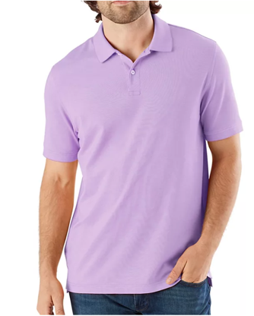
Item # | Item Description | Size | Qty | Unit Retail | Ext. Retail | UPC | Color | SKU | Vendor | Category | PICTURE
980369474 | Short Sleeve Performance Polo | S | 38 | $15.98 | $607.24 | 19396817399, | CORAL | 3538076 | ALPINE CREATIONS LIMITE | MENS APPAREL | 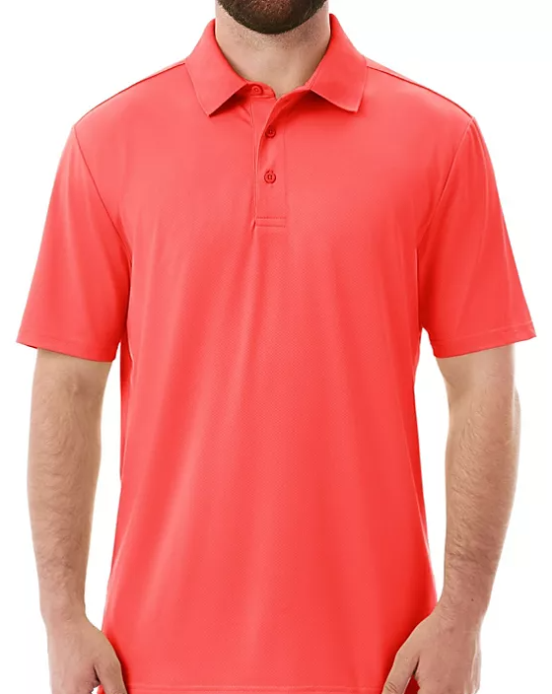
980369370 | Short Sleeve Performance Polo | 3XL | 42 | $15.98 | $671.16 | 19396816544, | LILAC | 3537868 | ALPINE CREATIONS LIMITE | MENS APPAREL
980369472 | Short Sleeve Performance Polo | L | 43 | $15.98 | $687.14 | 19396817396, | LILAC | 3538072 | ALPINE CREATIONS LIMITE | MENS APPAREL
980369471 | Short Sleeve Performance Polo | M | 24 | $15.98 | $383.52 | 19396817395, | LILAC | 3538070 | ALPINE CREATIONS LIMITE | MENS APPAREL
*Short Sleeve Polo
*Performance Fabric
*Button Closure- 3 Button Placket
*Durable Flat knit rib collar with collar band and contrast binding on inside
*Designed for Comfortable Relaxed fit
*Textured Performance Fabric
*Moisture Wicking- Absorbs moisture from body and releases it from the shirt
*UPF50 Treatment for UV/Sun Protection
*46% Recycled Polyester, 46% Polyester, 8% Spandex
980369491 | Short Sleeve Performance Polo | S | 27 | $15.98 | $431.46 | 19396817394, | LILAC | 3538110 | ALPINE CREATIONS LIMITE | MENS APPAREL
980369366 | Short Sleeve Performance Polo | XL | 56 | $15.98 | $894.88 | 19396817398, | LILAC | 3537860 | ALPINE CREATIONS LIMITE | MENS APPAREL
980369463 | Short Sleeve Performance Polo | 3XL | 145 | $15.98 | $2,317.10 | 19396816532, | MEDGRY | 3538054 | ALPINE CREATIONS LIMITE | MENS APPAREL | 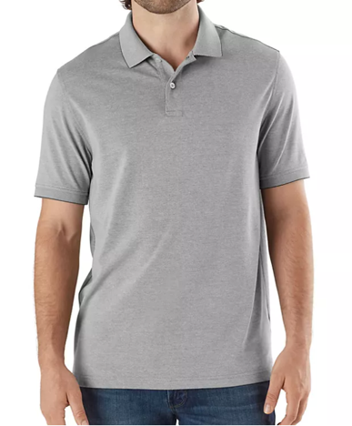
980369483 | Short Sleeve Performance Polo | S | 56 | $15.98 | $894.88 | 19396817384, | MEDGRY | 3538094 | ALPINE CREATIONS LIMITE | MENS APPAREL
980369412 | Short Sleeve Performance Polo | 3XL | 28 | $15.98 | $447.44 | 19396816562, | PINK | 3537952 | ALPINE CREATIONS LIMITE | MENS APPAREL | 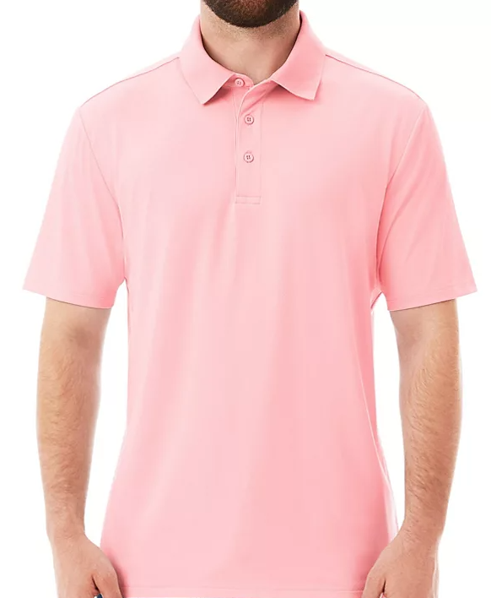
980369408 | Short Sleeve Performance Polo | M | 10 | $15.98 | $159.80 | 19396816558, | PINK | 3537944 | ALPINE CREATIONS LIMITE | MENS APPAREL
980369322 | Short Sleeve Performance Polo | 3XL | 41 | $15.98 | $655.18 | 19396816526, | ROYAL | 3537772 | ALPINE CREATIONS LIMITE | MENS APPAREL | 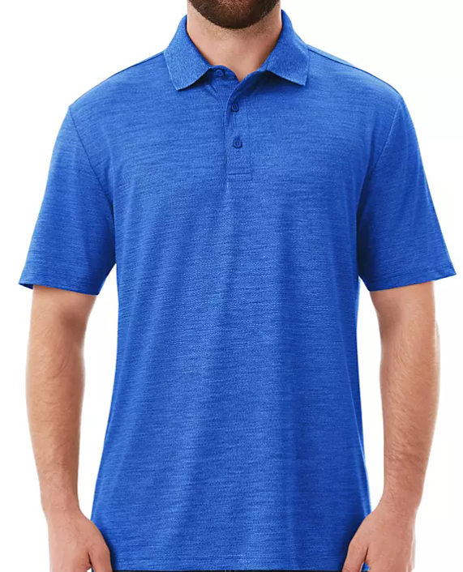
980369489 | Short Sleeve Performance Polo | XL | 41 | $15.98 | $655.18 | 19396817393, | TEAL | 3538106 | ALPINE CREATIONS LIMITE | MENS APPAREL | 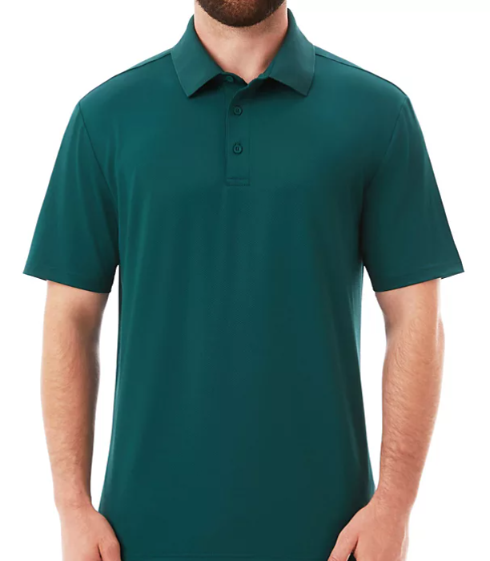
980380319 | NAUTICA TEE AQUA L | L | 32 | $14.99 | $479.68 | 88807984777, | AQUA | 3559434 | VF SPORTSWEAR INC | MENS APPAREL | 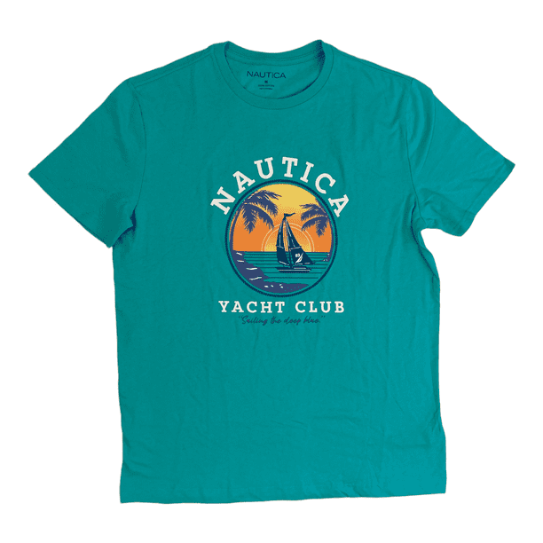
980380320 | NAUTICA TEE AQUA XL | XL | 50 | $14.99 | $749.50 | 88807984778, | AQUA | 3559436 | VF SPORTSWEAR INC | MENS APPAREL
980380321 | NAUTICA TEE AQUA XXL | XXL | 107 | $14.99 | $1,603.93 | 88807984779, | AQUA | 3559438 | VF SPORTSWEAR INC | MENS APPAREL
980380314 | NAUTICA TEE GREY XL | XL | 273 | $14.99 | $4,092.27 | 19403446278, | GREY | 3559424 | VF SPORTSWEAR INC | MENS APPAREL | 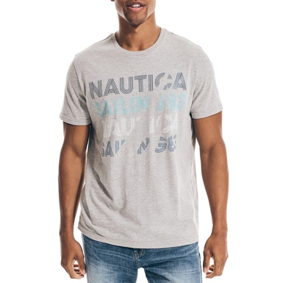
980380325 | NAUTICA TEE RED L | L | 230 | $14.99 | $3,447.70 | 88807985036, | RED | 3559446 | VF SPORTSWEAR INC | MENS APPAREL | 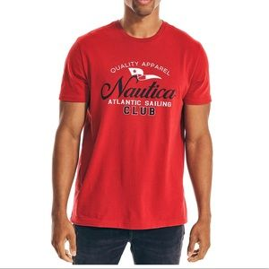
980383696 | KANSAS CITY ROYALS Adjustable Hat - Royal - Men's Size | OSFA | 468 | $10.98 | $5,138.64 | 19600210986, | VARIOU | 3566134 | TWINS ENTERPRISE | MENS APPAREL | 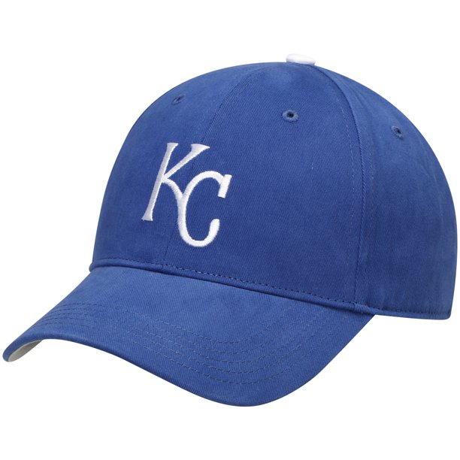
980348370 | MENS HOOD HUSK M | M | 15 | $29.98 | $449.70 | 88876415692, | HUSKER | 3497393 | TOP OF THE WORLD BY FANATICS, | MENS APPAREL | 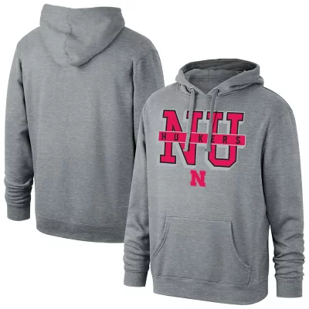
 |  |  | 1726 |  | $24,766.40

